Sheet1
Model Number and Size
Type | 序号 | Model No. | Diameter/mm | Picture
Straight Coupler | 1 | KZ20 | 20 | 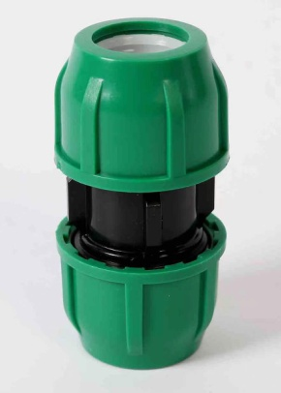
 | 2 | KZ25 | 25
 | 3 | KZ32 | 32
 | 4 | KZ40 | 40
 | 5 | KZ50 | 50
 | 6 | KZ63 | 63
 | 7 | KZ75 | 75
 | 8 | KZ90 | 90
 | 9 | KZ110 | 110
Equal Tee | 10 | KS20 | 20 | 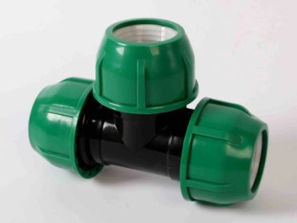
 | 11 | KS25 | 25
 | 12 | KS32 | 32
 | 13 | KS40 | 40
 | 14 | KS50 | 50
 | 15 | KS63 | 63
 | 16 | KS75 | 75
 | 17 | KS90 | 90
 | 18 | KS110 | 110
Coupling Elbow | 19 | KW20 | 20 | 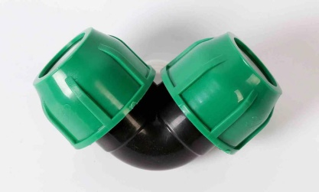
 | 20 | KW25 | 25
 | 21 | KW32 | 32
 | 22 | KW40 | 40
 | 23 | KW50 | 50
 | 24 | KW63 | 63
 | 25 | KW75 | 75
 | 26 | KW90 | 90
 | 27 | KW110 | 110
End Cap | 28 | KD20 | 20 | 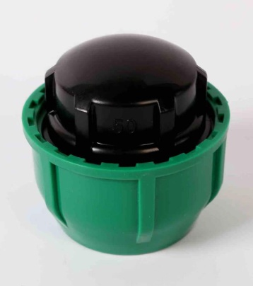
 | 29 | KD25 | 25
 | 30 | KD32 | 32
 | 31 | KD40 | 40
 | 32 | KD50 | 50
 | 33 | KD63 | 63
 | 34 | KD75 | 75
 | 35 | KD90 | 90
 | 36 | KD110 | 110
Reducer | 37 | BZ5040 | 50*40 | 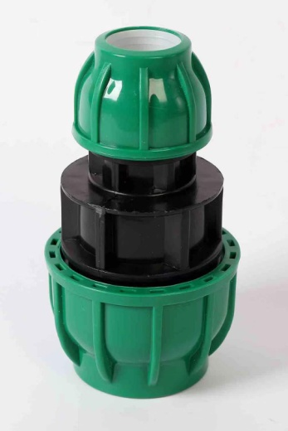
 | 38 | BZ5032 | 50*32
 | 39 | BZ5025 | 50*25
 | 40 | BZ6350 | 63*50
 | 41 | BZ6340 | 63*40
 | 42 | BZ6332 | 63*32
 | 43 | BZ7540 | 75X40
 | 44 | BZ7550 | 75X50
 | 45 | BZ7563 | 75X63
 | 46 | BZ9050 | 90X50
 | 47 | BZ9063 | 90X63
 | 48 | BZ9075 | 90X75
Reducing Tee | 49 | BS252025 | 25x20x25 | 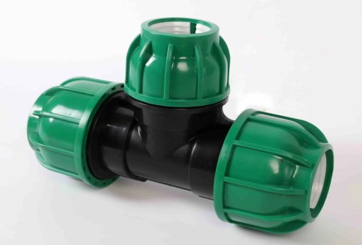
 | 50 | BS322032 | 32x20x32
 | 51 | BS322532 | 32x25x32
 | 52 | BS402040 | 40x20x40
 | 53 | BS402540 | 40x25x40
 | 54 | BS403240 | 40x32x40
 | 55 | BS502050 | 50x20x50
 | 56 | BS502550 | 50x25x50
 | 57 | BS503250 | 50x32x50
 | 58 | BS504050 | 50x40x50
 | 59 | BS633263 | 63x32x63
 | 60 | BS634063 | 63x40x63
 | 61 | BS635063 | 63x50x63
 | 62 | BS755075 | 75x50x75
 | 63 | BS756375 | 75x63x75
 | 64 | BS905090 | 90x50x90
 | 65 | BS906390 | 90x63x90
 | 66 | BS907590 | 90x75x90
 | 67 | BS11063110 | 110x63x110
 | 68 | BS11090110 | 110x90x110
Compression Ball Valve | 69 | KQ20 | 20 | 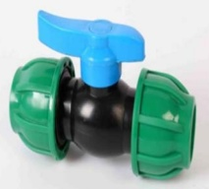
 | 70 | KQ25 | 25
 | 71 | KQ32 | 32
 | 72 | KQ50 | 50
 | 73 | KQ63 | 63
Male Joint | 74 | WZ25 | 25 | 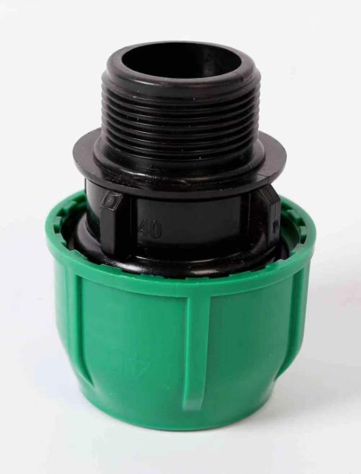
 | 75 | WZ32 | 32
 | 76 | WZ40 | 40
 | 77 | WZ5032 | 50x32
 | 78 | WZ5040 | 50x40
 | 79 | WZ5050 | 50x50
 | 80 | WZ6340 | 63x40
 | 81 | WZ6350 | 63x50
 | 82 | WZ6363 | 63x63
 | 83 | WZ7550 | 75x50
 | 84 | WZ7563 | 75x63
 | 85 | WZ7575 | 75x75
 | 86 | WZ9063 | 90x63
 | 87 | WZ9075 | 90x75
 | 88 | WZ9090 | 90x90
 | 89 | WZ11090 | 110x90
 | 90 | WZ110110 | 110x110
Female Joint | 91 | NZ25 | 25 | 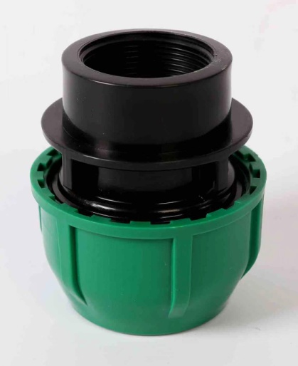
 | 92 | NZ32 | 32
 | 93 | NZ40 | 40
 | 94 | NZ5032 | 50x32
 | 95 | NZ5040 | 50x40
 | 96 | NZ5050 | 50x50
 | 97 | NZ6340 | 63x40
 | 98 | NZ6350 | 63x50
 | 99 | NZ6363 | 63x63
 | 100 | NZ7563 | 75x63
 | 101 | NZ7575 | 75x75
 | 102 | NZ9075 | 90x75
 | 103 | NZ9090 | 90x90
 | 104 | NZ11090 | 110x90
 | 105 | NZ110110 | 110x110
Male Tee (3-way Connector) | 106 | WS2525 | 25x25 | 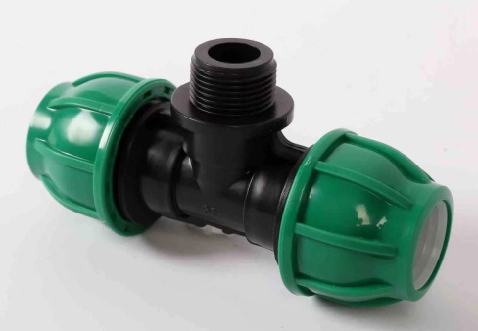
 | 107 | WS3232 | 32x32
 | 108 | WS4032 | 40x32
 | 109 | WS4040 | 40x40
 | 110 | WS5040 | 50x40
 | 111 | WS5050 | 50x50
 | 112 | WS6350 | 63x50
 | 113 | WS6363 | 63x63
 | 114 | WS7563 | 75x63
 | 115 | WS7575 | 75x75
 | 116 | WS9075 | 90x75
 | 117 | WS9090 | 90x90
 | 118 | WS11090 | 110x90
 | 119 | WS110110 | 110x110
Female Elbow | 120 | NW2525 | 25x25 | 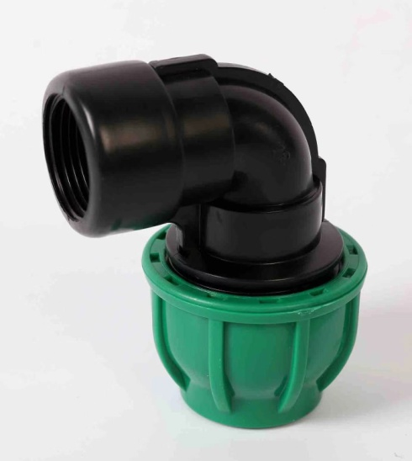
 | 121 | NW3232 | 32x32
 | 122 | NW4032 | 40x32
 | 123 | NW4040 | 40x40
 | 124 | NW5040 | 50x40
 | 125 | NW5050 | 50x50
 | 126 | NW6350 | 63x50
 | 127 | NW6363 | 63x63
 | 128 | NW7563 | 75x63
 | 129 | NW7575 | 75x75
 | 130 | NW9075 | 90x75
 | 131 | NW9090 | 90x90
 | 132 | NW11090 | 110x90
 | 133 | NW110110 | 110x110
Male Elbow | 134 | WW2525 | 25x25 | 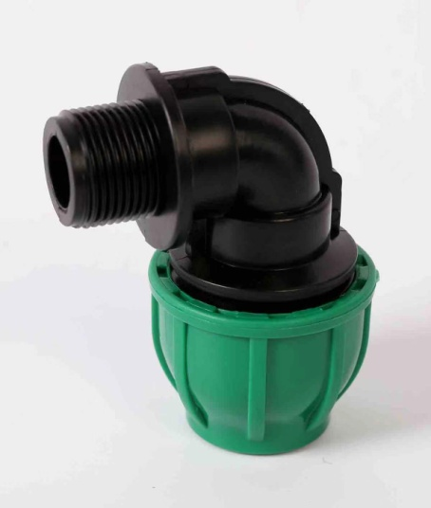
 | 135 | WW3232 | 32x32
 | 136 | WW4032 | 40x32
 | 137 | WW4040 | 40x40
 | 138 | WW5040 | 50x40
 | 139 | WW5050 | 50x50
 | 140 | WW6363 | 63x63
 | 141 | WW7563 | 75x63
 | 142 | WW7575 | 75x75
 | 143 | WW9075 | 90x75
 | 144 | WW9090 | 90x90
 | 145 | WW11090 | 110x90
 | 146 | WW110110 | 110x110
Female Saddle Joint | 147 | AZ5020 | 50x20 | 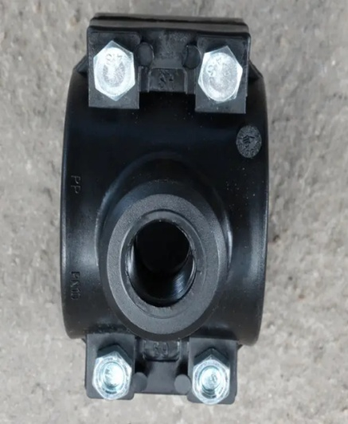
 | 148 | AZ5025 | 50x25
 | 149 | AZ5032 | 50x32
 | 150 | AZ5040 | 50x40
 | 151 | AZ5050 | 50x50
 | 152 | AZ6320 | 63x20
 | 153 | AZ6325 | 63x25
 | 154 | AZ6332 | 63x32
 | 155 | AZ6340 | 63x40
 | 156 | AZ6350 | 63x50
 | 157 | AZ6363 | 63x63
 | 158 | AZ7525 | 75x25
 | 159 | AZ7532 | 75x32
 | 160 | AZ7540 | 75x40
 | 161 | AZ7550 | 75x50
 | 162 | AZ7563 | 75x63
 | 163 | AZ7575 | 75x75
 | 164 | AZ9025 | 90x25
 | 165 | AZ9032 | 90x32
 | 166 | AZ9040 | 90x40
 | 167 | AZ9050 | 90x50
 | 168 | AZ9063 | 90x63
 | 169 | AZ9075 | 90x75
 | 170 | AZ9090 | 90x90

